NANO DEWATA (Alcohol)
DATE | INV NO. | DESCRIPTIONS | AMOUNT | BILLS | PRICE | TOTAL
25-Feb-2026 | INX/NABLIX/26/02/0031 | GIFFARD PARFAIT TRIPLE SEC | 3 | 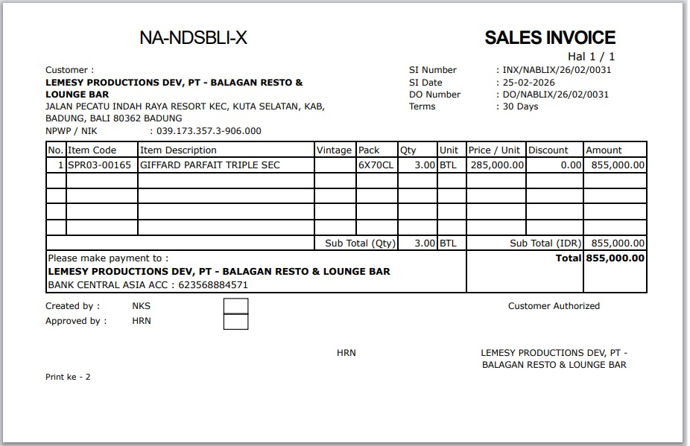 | IDR 285,000 | IDR 855,000
SUB TOTAL
TOTAL |  |  |  | IDR 855,000
 |  |  |  |  |  | IDR -
SUB TOTAL
TOTAL |  |  |  | Rp-

GRAND TOTAL |  |  |  | IDR 855,000

